Format
Patent Details for Verification_NIRF2026
Note: Provide your Institution’s Patent details (Only Utility Patents) Discipline-wise as applied for NIRF Ranking each in Separate List/Table (Only Published & Granted during 2022 – 2024 year-wise) strictly in this provided format, and clearly write/mention the Discipline & Institute ID above the List/Table as prescribed. Details of the Design, Trademarks, or Copyrights, and only Filed Patents must be avoided. Those details should not be entered or provided in the list below as those won't be considered for the ranking. Patent details must be submitted along with all the source proofs (attached) like screenshots, pdf, image file from databases like InPASS, WIPO, USPTO, Espacenet, Derwent Innovation, etc. and direct URL/Website links, etc.

Discipline Name applied for NIRF2026 Ranking: e.g. IR_OVERALL / IR_ENGINEERING / IR_MEDICAL / IR_PHARMACY / IR_DENTAL |  |  |  |  |  |  |  |  | Institute ID: e.g. C-00000 / U-00000
Provide below the Year-wise Count of Submitted Patent Data by the Institute (2022 to 2024) for NIRF2026 as applied in Discipline-specific:
Published_2022 | Published_2023 | Published_2024 | Granted_2022 | Granted_2023 | Granted_2024 | Total Published (2018-2020) | Total Granted (2022-2024)
4 | 2 | 40 | 3 | 13 | 13 | 46 | 29
Patent Details with proofs (Attach screenshots, pdf, image file, etc.):
Sl. No. | Patent Application No. | Status of Patent (Published / Granted) | Inventor/s Name | Title of the Patent | Applicant/s Name | Patent Filed Date (DD/MM/YYYY) | Patent Published Date / Granted Date (DD/MM/YYYY) | Patent Publication Number / Patent Granted Number | Assignee/s Name (Institute Affiliation/s at time of Appication) | Here, attach Source Proof Screenshots/URL/ Website Links, etc.
1 | 2391/MUM/2011 | Granted | Mr. Amol Dyaneshwar Potgantwar, Dr. Vijay M. Wadhai | Indoor Localization System For Mobile Device With Integration Of Wireless And Rfid Technology | Sandip Foundation's Sandip Institute of Technology and Research Centre | 26/08/2011 | 21/04/2022 | Granted Application, Patent Number :395103 | Sandip Foundation's Sandip Institute of Technology and Research Centre | 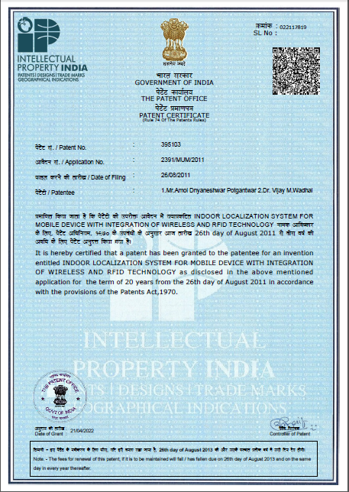
2 | 2140/MUM/2013 | Granted | Dr. Sanjay Trymbak Gandhe Mr. Kiran Tulshiram Talele | SUSTAINABLE PICOHYDRO POWER GENERATION SYSTEM | Sandip Foundation's Sandip Institute of Technology and Research Centre | 24-06-2013 | 14/02/2022 | Granted Application, Patent Number :389177 14/02/2022(SITRC) | Sandip Foundation's Sandip Institute of Technology and Research Centre | 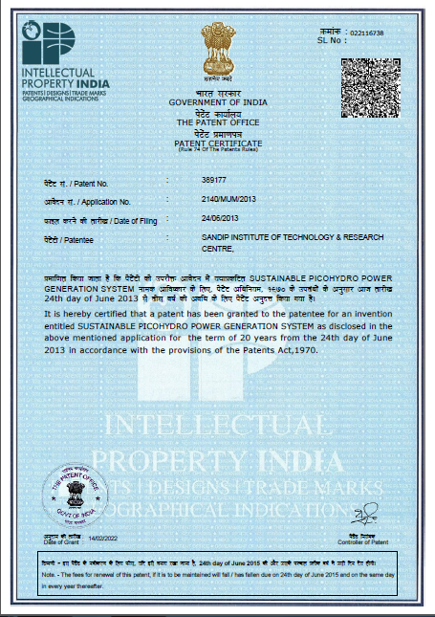
3 | 3229/MUM/2014 | Granted | Prof.G.M.Phade Ankush Pawar Arun Kapadnis Amol Dhatrak | Hand Gesture Controlled Robotic Arm using Low Power Micro-Controller | Sandip Foundation's Sandip Institute of Technology and Research Centre | 2014-10-10 | 15/12/2022 | Granted Application, Patent Number :414588 15/12/2022 | Sandip Foundation's Sandip Institute of Technology and Research Centre | 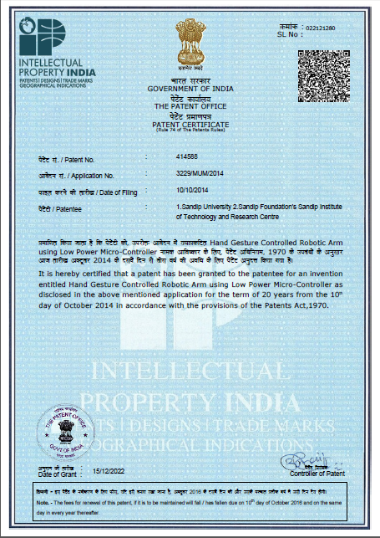
4 | 202211004859 | Published | 1. Vijay 2 . Sanjay Srivastava 3 . Prof. Manisha Chandrakant Pagar 4 . Ramya N 5 . Dr. Mahaveer Sree Jayan M 6 . Yogita Sachin Narule 7 . Kanahaiya Lal Ambashtha 8 . Rajeev Kumar 9 . Itum Ruti 10 . Patil Khilesh Suresh 11 . Gokulakannan. D 12 . Dr. Ritu | A Machine Learning Based approach To Implement A Hybrid network topology For E-Commerce Sites | Prof. Manisha Chandrakant Pagar | 28/01/2022 | 2022-04-02 | 202211004859 | Prof. Manisha Chandrakant Pagar | 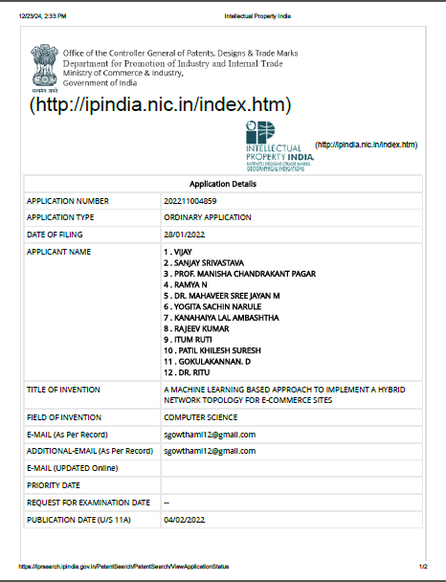
5 | 202241004605 | Published | 1 . Dr. Manikannan K 2 . Dr. Mujahid Siddiqui 3 . Dr. Aaliyah Siddiqui 4 . Dr Hemant Francis Wanjare 5 . Dr. Tushar Kakasaheb Savale 6 . Dr Arpita Pandey 7 . Syed Dawar Mehdi Rizvi 8 . Gopika G S 9 . Dr. Syed Masaid Zaman 10 . E. Subramanian 11 . Gokulakannan. D 12 . B.V.D.S Sai Pavan Kumar | Artificial Intelligence Based Customer Relationship management of E-Commerce Sites | Dr Hemant Francis Wanjare Dr. Tushar Kakasaheb Savale | 27-01-2022 | 11/02/2022 | 202241004605 | Dr Hemant Francis Wanjare Dr. Tushar Kakasaheb Savale | 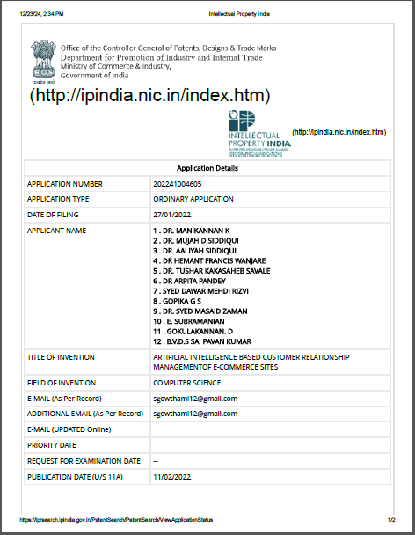
6 | 202211052282 | Published | 1. Jitendra Kurmi 2 . Dr. Dilip Kumar Sharma 3 . M. K. Sharma 4 . Dr. Ajendra Sharma 5 . Dr. Sanjeev Kumar 6 . Nitesh Dhiman 7 . Dr. Omkar Suresh Vaidya 8 . Dr. Ruchi Gupta 9 . Dr. Subba Rao Polamuri 10 . Ankit Porwal 11 . Priyanka Sharma 12 . Ajay Bhardwaj | Machine Learning-Based methodology For Database migration In cloud Computing environment | Dr. Omkar Suresh Vaidya | 13-09-2022 | 16/09/2022 | 202211052282 | 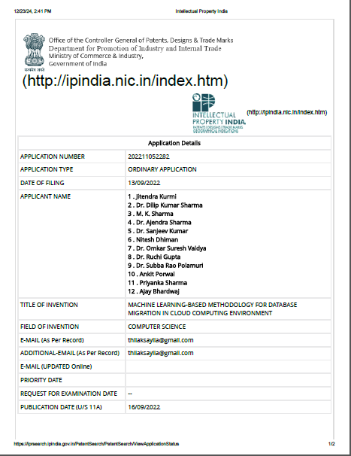 Dr. Omkar Suresh Vaidya
7 | 202241002511 | Published | Dr. A. S. Rumale | A FIREWALL SYSTEM IN THE ARCHITECTURE OF IOT TO AVOID CYBER ATTACK | Dr. A. S. Rumale | 2021-12-12 | 17/01/2022 | 202241002511 | 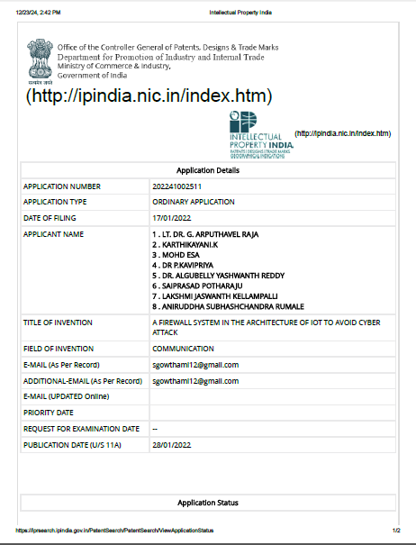 GHRCEM, Wagholi, Pune
8 | 3230/MUM/2014 | Granted | Prof. A.K.Mishra Pooja Ravindra Deore Apurva Anand Deshmukh Deepali Anil Gaike Pooja Sudhakar Nikam | Wireless Personal Safety Bracelet | Sandip Foundation's Sandip Institute of Technology and Research Centre | 2014-10-10 | 26/07/2023 | Granted Application, Patent Number :440630 26/07/2023 | Sandip Foundation's Sandip Institute of Technology and Research Centre | 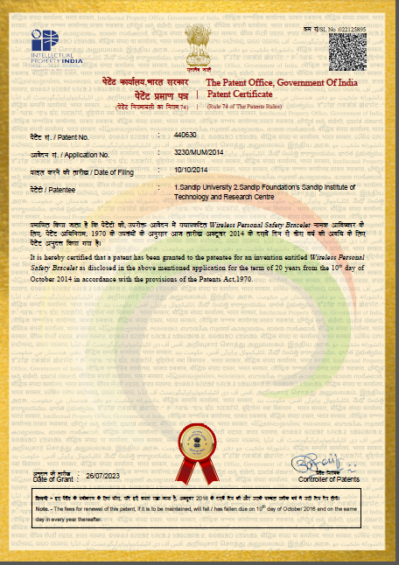
9 | 201821012208 | Granted | Prof. Mangesh M. Ghonge Mr. Anurag K. Tejwani | Design and Development of Potholes Detection System | Sandip Foundation's Sandip Institute of Technology and Research Centre | 31-03-2018 | 10/01/2023 | Granted Application, Patent Number :417444 10/01/2023 | Sandip Foundation's Sandip Institute of Technology and Research Centre | 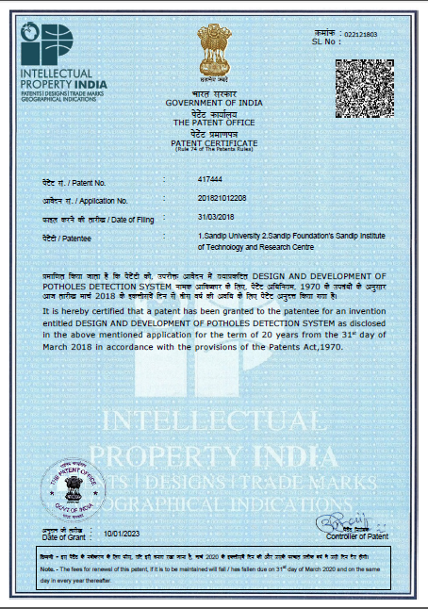
10 | 201821012200 | Granted | Prof. V. A. Shaikh Kaustubh D. Rane Ajay S. Yadav Abhishek B. Wagh Hariprasad M. Udayyar | Feed Beam Rotating Assembly | Sandip Foundation's Sandip Institute of Technology and Research Centre | 31-03-2018 | 10/01/2023 | Granted Application, Patent Number :417441 10/01/2023 | Sandip Foundation's Sandip Institute of Technology and Research Centre | 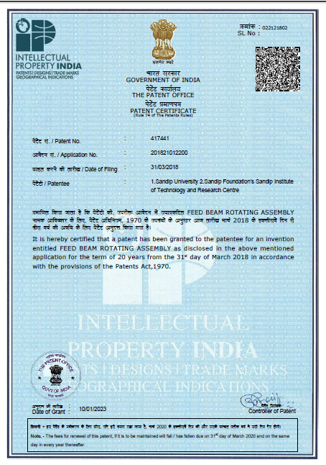
11 | 201821012141 | Granted | Prof. Anand Satpute Laxman Balkrushna Wani Shubham Jivraj Jadhav Sanket Pramod Deshmukh Rushikesh Rameshwar Bagade | Generation of Electricity Using Compressor Speed Breaker | Sandip Foundation's Sandip Institute of Technology and Research Centre | 30-03-2018 | 14/09/2023 | Granted Application, Patent Number :451638 14/09/2023 | Sandip Foundation's Sandip Institute of Technology and Research Centre
12 | 387584-001 | Granted | Mr.Virendrakumar Bhikajirao Patil | KIDS EXERCISE DEVICE | Mr.Virendrakumar Bhikajirao Patil | 2023-04-06 | 2023-07-08 | 387584-001 | Sandip Foundation's Sandip Institute of Technology and Research Centre | 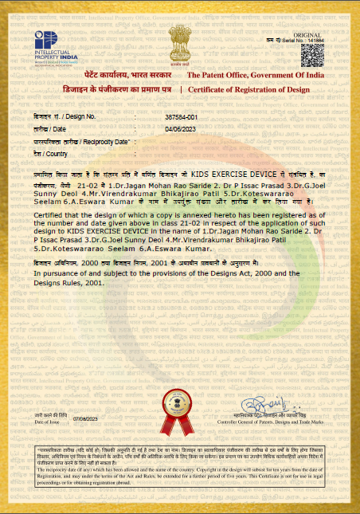
13 | 387585-001 | Granted | Mr.Virendrakumar Bhikajirao Patil | MULTI PHONE CHARGING DEVICE | Mr.Virendrakumar Bhikajirao Patil | 2023-04-06 | 2023-03-08 | 387585-001 | Sandip Foundation's Sandip Institute of Technology and Research Centre | 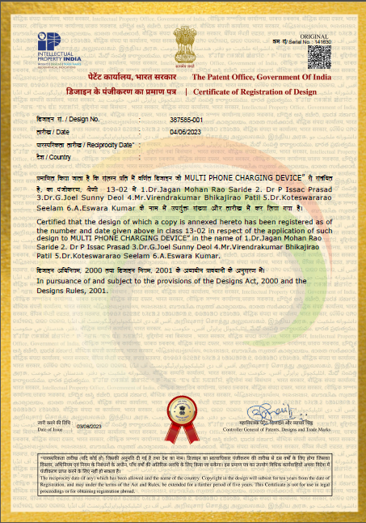
14 | 387586-001 | Granted | Mr.Sachin Wamanrao Manjarwal | MINI PROJECTOR | Mr.Sachin Wamanrao Manjarwal | 2023-04-06 | 2023-03-08 | 387586-001 | Sandip Foundation's Sandip Institute of Technology and Research Centre | 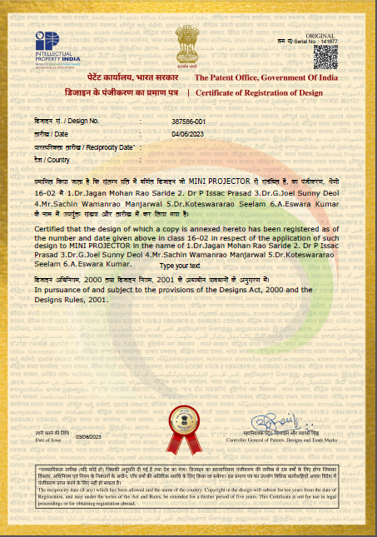
15 | 387587-001 | Granted | Dr. B. Sarath Chandra Kumar | MOBILE CASE WITH RADIATION LEVEL DETECTOR | Dr. B. Sarath Chandra Kumar | 2023-04-06 | 2023-07-08 | 387587-001 | Sandip Foundation's Sandip Institute of Technology and Research Centre | 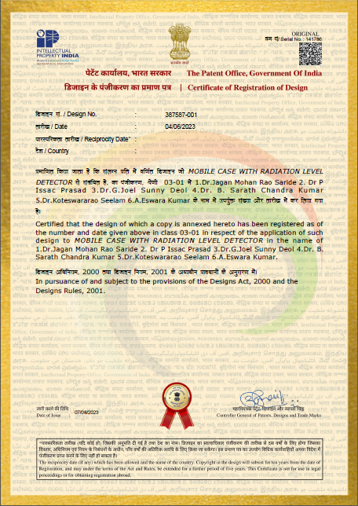
16 | 387588-001 | Granted | Dr. B. Sarath Chandra Kumar | FOOT MUSCLE ACTIVATION DEVICE | Dr. B. Sarath Chandra Kumar | 2023-04-06 | 2023-06-09 | 387588-001 | Sandip Foundation's Sandip Institute of Technology and Research Centre
17 | Design Number 391118-001 | Granted | 1.Prof. Avinash Rambhau Mankar 2. Dr. Nandkishor Marotrao Sawai 3.Prof. Pranali Prabhakar Kharwade 4.Dr. Sushama Vivek Telrandhe 5.Dr. Balram Damodhar Timande 6.Prof. Deepak Madhukarrao Deshpande 7.Prof. Kunal Kishor Meshram | Potato Chips Cutting Machine | 1.Prof. Avinash Rambhau Mankar 2. Dr. Nandkishor Marotrao Sawai 3.Prof. Pranali Prabhakar Kharwade 4.Dr. Sushama Vivek Telrandhe 5.Dr. Balram Damodhar Timande 6.Prof. Deepak Madhukarrao Deshpande 7.Prof. Kunal Kishor Meshram | 25/07/2023 | 27/09/2023 | 391118-001 | Sandip Foundation's Sandip Institute of Technology and Research Centre | 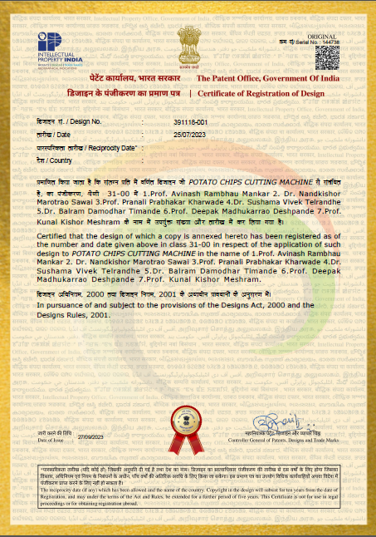
18 | Design Number 390131-001 | Granted | 1.Dr. Nandkishor Marotrao Sawai 2. Prof. Avinash Rambhau Mankar 3.Mr. Pankaj Ramesh Hatwar 4.Prof. Yashraj Nandkishor Chopkar 5.Dr. Balram Damodhar Timande 6.Prof. Ritesh Dilip Banpurkar 7.Dr. Shilpa Joshi | Human Powered Pot Making Machine | 1.Dr. Nandkishor Marotrao Sawai 2. Prof. Avinash Rambhau Mankar 3.Mr. Pankaj Ramesh Hatwar 4.Prof. Yashraj Nandkishor Chopkar 5.Dr. Balram Damodhar Timande 6.Prof. Ritesh Dilip Banpurkar 7.Dr. Shilpa Joshi | 12/07/2023 | 2023-12-10 | 390131-001 | Sandip Foundation's Sandip Institute of Technology and Research Centre
19 | Design Number 391676-001 | Granted | 1.Dr. Nandkishor Marotrao Sawai 2. Prof. Avinash Rambhau Mankar 3.Prof. Kalpana Devidasrao Malpe 4.Prof. Yashraj Nandkishor Chopkar 5.Prof. Sandip Bhalchandra Buradkar 6.Prof. Diksha Babarao Khare 7.Mr. Pankaj Ramesh Hatwar | Potato Chips Making Machine | 1.Dr. Nandkishor Marotrao Sawai 2. Prof. Avinash Rambhau Mankar 3.Prof. Kalpana Devidasrao Malpe 4.Prof. Yashraj Nandkishor Chopkar 5.Prof. Sandip Bhalchandra Buradkar 6.Prof. Diksha Babarao Khare 7.Mr. Pankaj Ramesh Hatwar | 01/08/2023 | 17/10/2023 | 391676-001 | Sandip Foundation's Sandip Institute of Technology and Research Centre
20 | Design Number 395373-001 | Granted | Dr.Bhagwat Kakde | AI Based Weather Monitoring device | Sandip Institute of Technology & Research centre | 18/09/2023 | 31/10/2023 | Design Number 395373-001 | SITRC | 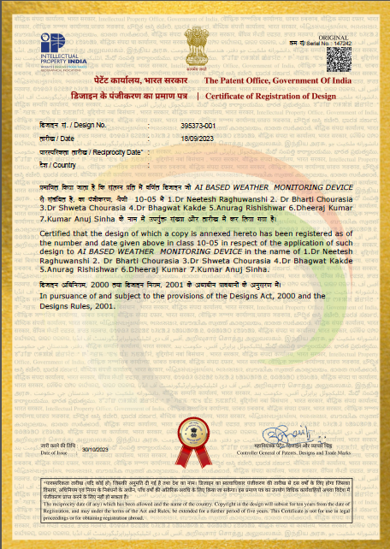
21 | 202321064729 | Published | Dr.B.Suresh Babu | Machine Learning G-Based Power Quality Enhancement System for Renewable Energy sources | Dr.B.Suresh Babu | 26/09/2023 | 27.10.2023 | 202321064729 | Sandip Foundation's Sandip Institute of Technology and Research Centre | 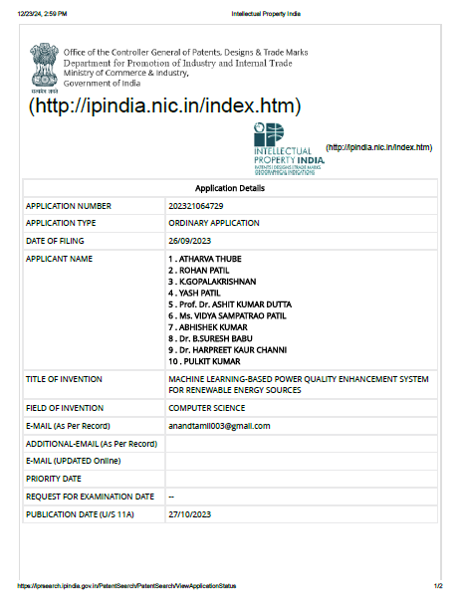
22 | 202341065259 A | Published | 1)Dr.N.Shanmuga Priya 2)Dr.N.Nirmala Devi 3)Dr. Sai Prasad Padavala 4)Mrs. Konda Manasa 5)Dr.Manjula AV 6)Dr. Anoop Narain Singh 7)Dr. Sudhir Kumar Singh 8)Dr. Sachin Ganpatrao Ghalme 9)Dr. Sandeep Gangaram Thorat 10)Dr. Mahesh Shaligram Harne | DESIGN AND DEVELOPMENT OF WEARABLE ASSISTIVE DEVICE SUPPORT SYSTEM FOR BLIND AND VISUALLY IMPAIRED PEOPLE | 1)Dr.N.Shanmuga Priya 2)Dr.N.Nirmala Devi 3)Dr. Sai Prasad Padavala 4)Mrs. Konda Manasa 5)Dr.Manjula AV 6)Dr. Anoop Narain Singh 7)Dr. Sudhir Kumar Singh 8)Dr. Sachin Ganpatrao Ghalme 9)Dr. Sandeep Gangaram Thorat 10)Dr. Mahesh Shaligram Harne | 28/09/2023 | 06/10/2023 | 202341065259 A | 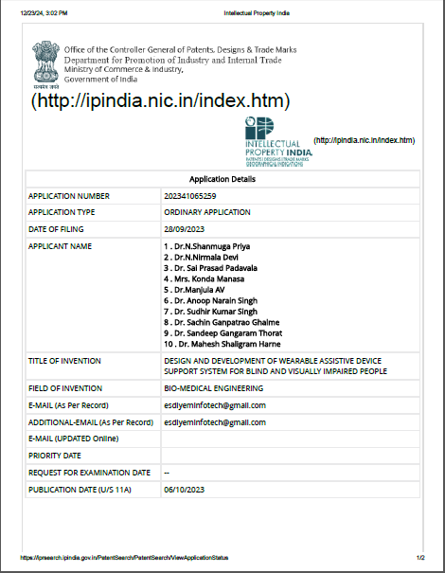 Sandip Foundation's Sandip Institute of Technology and Research Centre
23 | 350165-001 | Published | 1. Dr. Alla Srivani 2.Mr. Anuj Kumar 3.Dr. Asmita Yadav 4.Dr. Omkar Suresh Vaidya 5.Bhalke Daulappa Guranna 6. Dr. Gayatri Makarand Phade 7. Dr. Varsha 8.Dr. GS Grewal 9. Er. Pothula Abhinay Reddy 10.Namita Goyal 11. Vandana Choudhary 12.Prof.Ramesh Chandra Panda 13.Dr P Karthigeyan | IoT based Agricultural Soil and Irrigation Drainage Making Machine | 1. Dr. Omkar Suresh Vaidya 2. Dr. Gayatri Makarand Phade | 20-08-2021 | 2024-08-03 | 350165-001 | 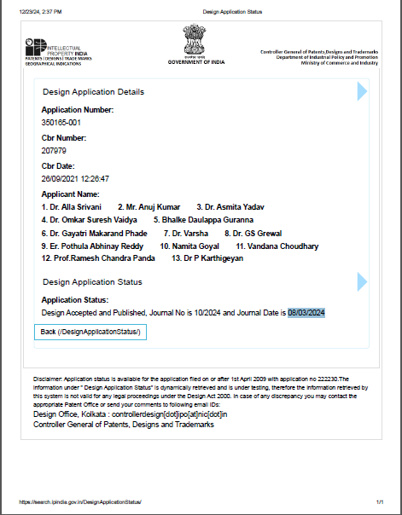 1. Dr. Omkar Suresh Vaidya 2. Dr. Gayatri Makarand Phade
24 | 1544/MUM/2014 | Granted | Prof. S J Pawar Mr. Dhananjay Pawar Mr. Netraj Shirole Miss. Priyanka Jadhav Miss Prachi Matha | Device and Process for Automatic Separation and Estimation of Shelf Life of Mango | Sandip Foundation's Sandip Institute of Technology and Research Centre | 2014-04-05 | 10/01/2024 | Granted Application, Patent Number :497430 10/01/2024 | 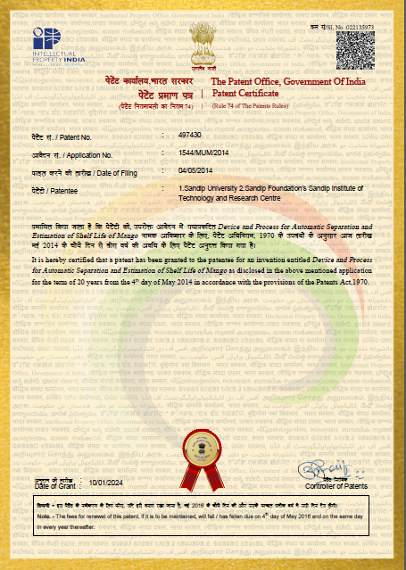 Sandip Foundation's Sandip Institute of Technology and Research Centre
25 | 1546/MUM/2014 | Granted | Prof. G M Phade Bishakha Chandak SANDHYA CHOURASIA MEHANDI KESHARWANI | Speaking Aids for Dumb Using Speech Synthesizer | Sandip Foundation's Sandip Institute of Technology and Research Centre | 2014-04-05 | 05/04/2024 | Granted Application, Patent Number :531922 05/04/2024 | Sandip Foundation's Sandip Institute of Technology and Research Centre
26 | 201821012207 | Granted | Prof. Vivek D. Patil, Prof. Janhavi H. Borse Dr. Pawan R Bhaladhare Akshay Sonawane Sneha Vig Shivani Kotkar Rupali Bankar Pooja Pawar | Virtualization by Integrated Lightweight Development tool for Multimedia Applications | Sandip University Nashik, Sandip Foundation's Sandip Institute of Technology and Research Centre | 31-03-2018 | 30/09/2024 | 201821012207 | Sandip University Nashik, Sandip Foundation's Sandip Institute of Technology and Research Centre | 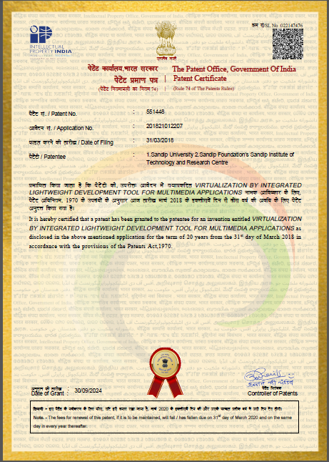
27 | 418889-001 | Granted | RAMGOPAL SAHU | Sustainable water distribution device for drought-affected areas | RAMGOPAL SAHU | 2024-03-06 | 2024-01-08 | 418889-001 | 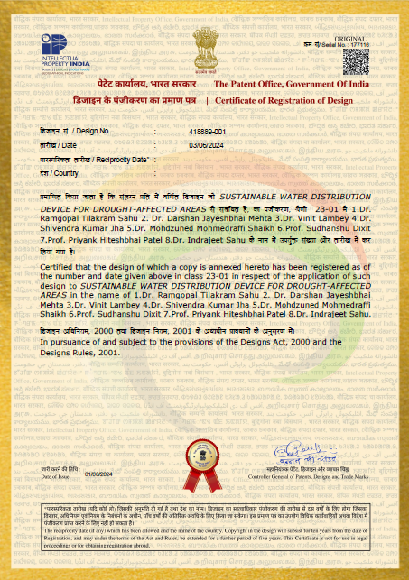 Sandip Foundation's Sandip Institute of Technology and Research Centre
28 | 406471-001 | Granted | Dr. Dipak D. Bage, V. B. Bhamare | AI based Plant Extract Analysis Device to Identify Disease | Dr. Dipak D. Bage, V. B. Bhamare | 03/02/2024 | 08/04/2024 | 406471-001 | 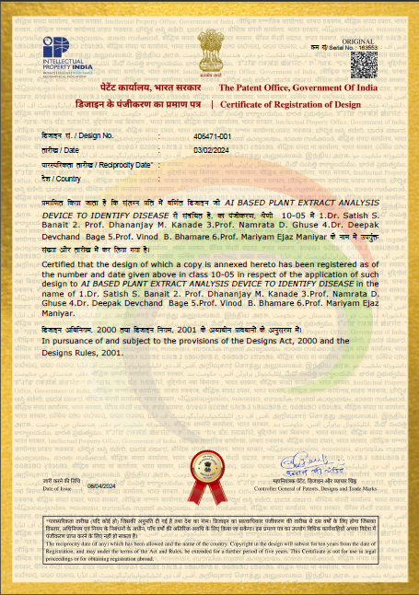 Sandip Foundation's Sandip Institute of Technology and Research Centre
29 | Design Number 405298-001 | Granted | 1. Dr. Nandkishor Marotrao Sawai 2. Prof. Avinash Rambhau Mankar 3. Rakesh Dubey 4. Ravi Kant Singh 5. Dr Shruti Bharadwaj 6. Akansha Singh 7. Pankaj Ramesh Hatwar 8. Dr. Ankush A. Mankar 9. Kunal Kishor Meshram 10. Dr. Sachin G. Ghalme 11. Dr. Chandrmani Yadav 12. Dr. Raju Kumar Thakur | Floor Cleaning Device | 1. Dr. Nandkishor Marotrao Sawai 2. Prof. Avinash Rambhau Mankar 3. Rakesh Dubey 4. Ravi Kant Singh 5. Dr Shruti Bharadwaj 6. Akansha Singh 7. Pankaj Ramesh Hatwar 8. Dr. Ankush A. Mankar 9. Kunal Kishor Meshram 10. Dr. Sachin G. Ghalme 11. Dr. Chandrmani Yadav 12. Dr. Raju Kumar Thakur | 20/01/2024 | 15/03/2024 | 405298-001 | Sandip Foundation's Sandip Institute of Technology and Research Centre | 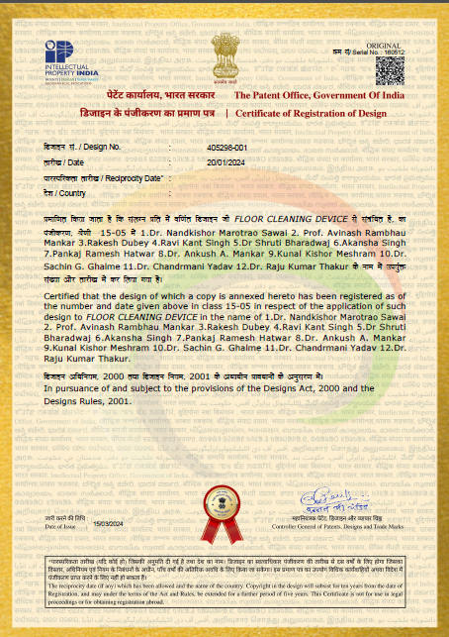
30 | 201821012915 | Granted | 1.NANDKISHOR MAROTRAO SAWAI 2.VITTHAL GULBRAO ARAJPURE 3.CHANDRAHAS CHANDRASHEKHAR HANDA 4.HARISH UMASHANKAR TIWARI | Profile and tools use for the pottery production | 1.NANDKISHOR MAROTRAO SAWAI 2.VITTHAL GULBRAO ARAJPURE 3.CHANDRAHAS CHANDRASHEKHAR HANDA 4.HARISH UMASHANKAR TIWARI | 05/04/2018 | 08/01/2024 | 495957 | 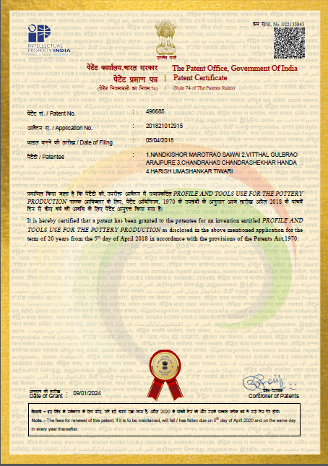 Sandip Foundation's Sandip Institute of Technology and Research Centre
31 | 201821012923 | Granted | 1.NANDKISHOR MAROTRAO SAWAI 2.VITTHAL GULBRAO ARAJPURE 3.CHANDRAHAS CHANDRASHEKHAR HANDA 4.HARISH UMASHANKAR TIWARI | Human powered pedal mechanism for potter’s wheel | 1.NANDKISHOR MAROTRAO SAWAI 2.VITTHAL GULBRAO ARAJPURE 3.CHANDRAHAS CHANDRASHEKHAR HANDA 4.HARISH UMASHANKAR TIWARI | 05/04/2018 | 09/01/2024 | 496685 | 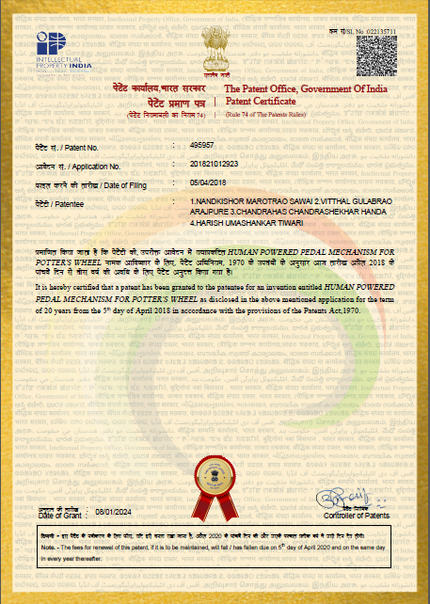 Sandip Foundation's Sandip Institute of Technology and Research Centre
32 | Design Number 396369-001 | Published | 1. Dr. Nandkishor Marotrao Sawai 2. Dr. Mallikarjun Gurllingappa Shrigan 3. Prof. Avinash Rambhau Mankar 4. Dr. Hemant Vithalrao Hajare 5. Mr. Pankaj Ramesh Hatwar 6. Mr. Mahesh Tarachand Kanojiya 7. Prof. Diksha Babarao Khare 8. Dr. Chandrmani Yadav 9. Dr. Ravi Shankar Ra | Battery Operated Spring Making Machine | 1. Dr. Nandkishor Marotrao Sawai 2. Dr. Mallikarjun Gurllingappa Shrigan 3. Prof. Avinash Rambhau Mankar 4. Dr. Hemant Vithalrao Hajare 5. Mr. Pankaj Ramesh Hatwar 6. Mr. Mahesh Tarachand Kanojiya 7. Prof. Diksha Babarao Khare 8. Dr. Chandrmani Yadav 9. Dr. Ravi Shankar Ra | 29/09/2023 | 23/02/2024 | 396369-001 | 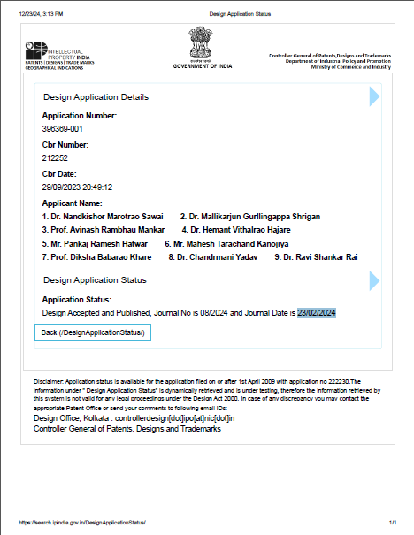 Sandip Foundation's Sandip Institute of Technology and Research Centre
33 | Design Number 405313-001 | Granted | 1.Prof. Kshitij Yugbodh 2. Dr. Ekta Jain 3.Dr. Richa Trivedi 4.Dr. Jyoti Bamne 5.Dr. Poonam Deshmukh 6.Dr. Yogesh Agrawal 7.Prof. Raghavendra Baingne 8.Mr. Umesh Kumar | Seat Cover | 1.Prof. Kshitij Yugbodh 2. Dr. Ekta Jain 3.Dr. Richa Trivedi 4.Dr. Jyoti Bamne 5.Dr. Poonam Deshmukh 6.Dr. Yogesh Agrawal 7.Prof. Raghavendra Baingne 8.Mr. Umesh Kumar | 20/01/2024 | 06/03/2024 | 405313-001 | Sandip Foundation's Sandip Institute of Technology and Research Centre
34 | Design Number 409777-001 | Granted | 1.Prof. Kshitij Yugbodh 2. Dr. Ekta Jain 3.Dr. Ruchi Singh 4.Dr. Geetanjli Khambra 5.Dr. Yogesh Agrawal 6.Prof. Poonam Choubey 7.Dr. Santosh Sanodiya 8.Mr. Umesh Kumar. | Bulb and Fan Cleaning Device | 1.Prof. Kshitij Yugbodh 2. Dr. Ekta Jain 3.Dr. Ruchi Singh 4.Dr. Geetanjli Khambra 5.Dr. Yogesh Agrawal 6.Prof. Poonam Choubey 7.Dr. Santosh Sanodiya 8.Mr. Umesh Kumar. | 08/03/2024 | 02/05/2024 | 409777-001 | Sandip Foundation's Sandip Institute of Technology and Research Centre | 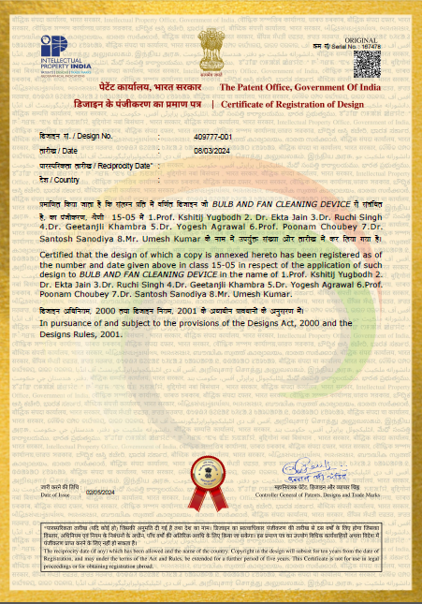
35 | Design Number 409258-001 | Granted | 1.Dr. Nandkishor Marotrao Sawai 2. Om Sopan Avhad 3.Atharva Milind Hire 4.Rahul Prakash Attarde 5.Soham Virendrasingh Pardeshi 6.Vaibhav Manoj Thakre 7.Bhapkar Prathamesh Sudesh | Ecentric Umbrella | 1.Dr. Nandkishor Marotrao Sawai 2. Om Sopan Avhad 3.Atharva Milind Hire 4.Rahul Prakash Attarde 5.Soham Virendrasingh Pardeshi 6.Vaibhav Manoj Thakre 7.Bhapkar Prathamesh Sudesh | 01/03/2024 | 10/05/2024 | 409258-001 | Sandip Foundation's Sandip Institute of Technology and Research Centre | 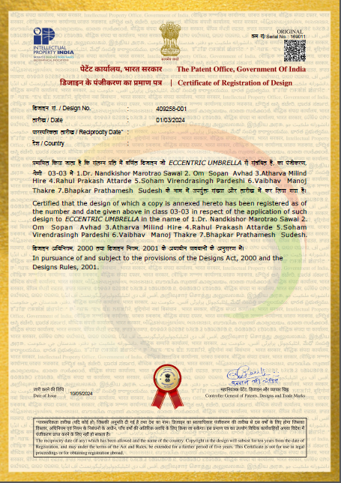
36 | Design Number 399106-001 | Granted | Dr.Bhagwat Kakde | AI Based Solar Powered Electric Vehicle | Sandip Institute of Technology & Research centre | 02/11/2023 | 05/01/2024 | Design Number 399106-001 | 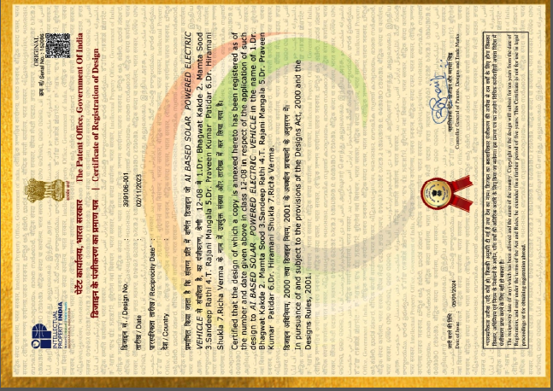 SITRC
37 | 201921053827 | Granted | Dr. D.K. Rajak, Dr. A. Muthuraja & Dr. Parimala M | Energy Efficient Smart Pressure Vessel System | Dr. D.K. Rajak, Dr. A. Muthuraja & Dr. Parimala M | 25/12/2019 | 13/03/2024 | 524727 | Sandip Foundation's Sandip Institute of Technology and Research Centre | 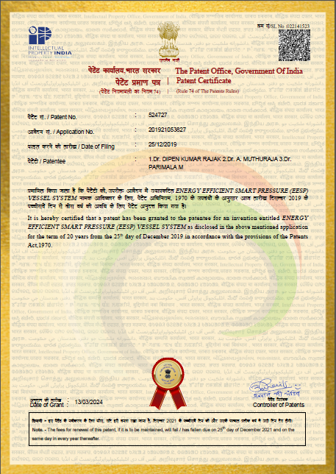
38 | 348602-001 | Published | 1. Dr. Esha Jain 2.Dr Renuka Sharma 3.Dr Tu Siddiqui 4.Dr Shikha Saxena 5.Smruti Ranjan Dash 6.Dr Gayatri Phade 7.Dr Rajesh Arya 8.Satish Kumar Gupta 9.Ramesh Chandra Panda | A Device for Measuring Heart Rate and Respiratory Rate Of Foetus During Pregnancy | Dr. Gayatri Makarand Phade | 26-09-2021 | 2024-08-03 | 348602-001 | Dr. Gayatri Makarand Phade | 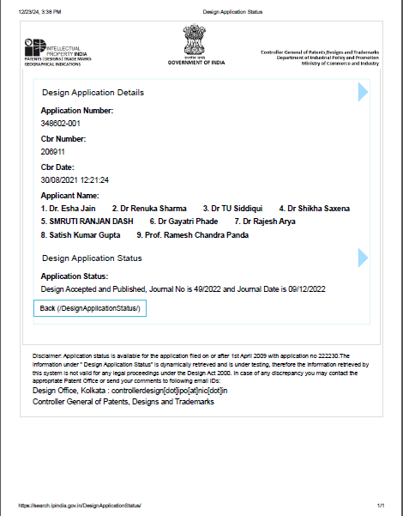
39 | 202421042908 A | Published | 1.Sandip University Nashik, 2.SITRC Nashik,3.SIEM Nashik, 4.Sandip University, Sijoul | Integrated Renewable Energy Capture and Storage System | Prof.(Dr). Meesala Sudhir Kumar,Prof.(Dr). Anand Singh Rajawat,Prof.(Dr). Mohd. Muqeem,Prof.(Dr.) Pawan R Bhaldhare,Prof.(Dr.) Amol Potgantwar,Prof.(Dr.) Omkar Pattnaik,Dr Pappu Kumar(SUM),Ms. SHEIKH ARSHIYA AZZIZUDDIN(SITRC*) | 30.06.2024 | 26.07.2024 | 202421042908 A | 1.Sandip University Nashik, 2.SITRC Nashik,3.SIEM Nashik, 4.Sandip University, Sijoul | 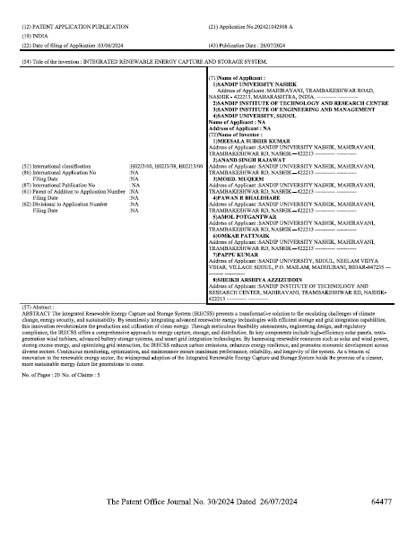
40 | 202421042927 A | Published | 1.Sandip University Nashik, 2.SITRC Nashik,3.SIEM Nashik, 4.Sandip University, Sijoul | Design the tablet friability test apparatus to measure the rotation and control the speed to increase production uptime by accuracy | Prof. Shweta Hitesh Shahare,Dr. Mangesh Dindayal Nikose,Dr. Laxmikant Bansilal Borse,Prof. Hitesh Vishwanath Shahare,Md Mustafa Kamal(SUM),Mrs.Chaitali Umesh Medhane(SITRC*) | 30.06.2024 | 26.07.2024 | 202421042927 A | 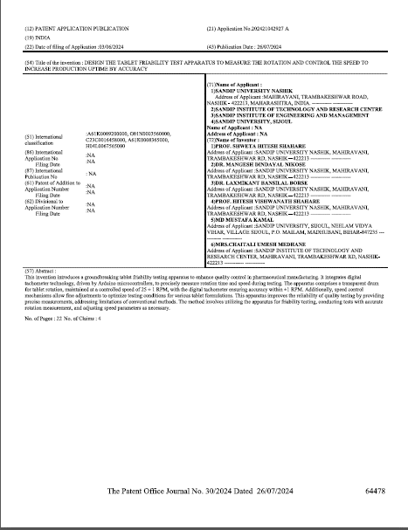 1.Sandip University Nashik, 2.SITRC Nashik,3.SIEM Nashik, 4.Sandip University, Sijoul
41 | 202421042972 A | Published | 1.Sandip University Nashik, 2.SITRC Nashik,3.SIEM Nashik, 4.Sandip University, Sijoul | Investigation of Blockchain approaches for Privacy Preservation using Machine Learning | Mr. Hiralal Bhaskar Solunke,Prof. (Dr). Pawan Bhaladhare,Ms. CHOPADE MEGHAVATI VAIBHAV(SITRC*),Shambhu Kumar Singh(SUM),Mr. SONAVANE AKSHAY RAJENDRA(SITRC*) | 30.06.2024 | 26.07.2024 | 202421042972 A | 1.Sandip University Nashik, 2.SITRC Nashik,3.SIEM Nashik, 4.Sandip University, Sijoul | 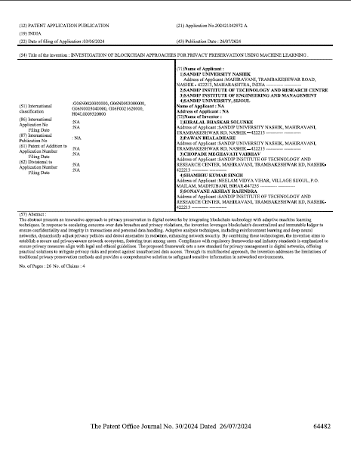
42 | 202421042987 A | Published | 1.Sandip University Nashik, 2.SITRC Nashik,3.SIEM Nashik, 4.Sandip University, Sijoul | Distributed Classification Model for Chronic Diseases and Remote Hospital Monitoring System-3D Model | Dr.G.Prasanna Lakshmi,Dr. Amol Potgawantar,Dr. Pawan R Bhaldhare,Mandan Mishra(SUM),Ms. MORE VIDYA RAGHUNATH(SITRC*) | 30.06.2024 | 26.07.2024 | 202421042987 A | 1.Sandip University Nashik, 2.SITRC Nashik,3.SIEM Nashik, 4.Sandip University, Sijoul | 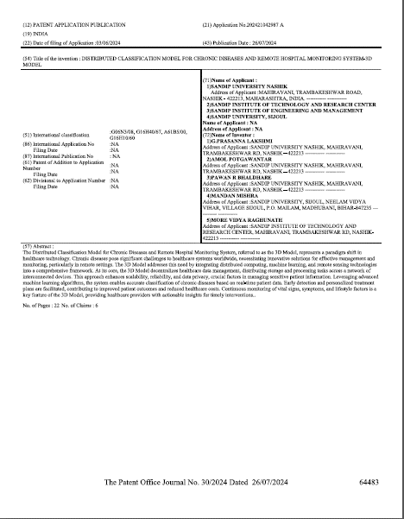
43 | 202421042999 A | Published | 1.Sandip University Nashik, 2.SITRC Nashik,3.SIEM Nashik, 4.Sandip University, Sijoul | Design & Fabrication of Smart Chair with IoT Integration for Enhanced User Experience | Prof. Shraddha N. Zanjat,Dr. Prakash G. Burade,Dr. Mangesh D. Nikose,Mr. Harshal R. Shelar,Mr. Gaurav Patel,Dr. Jitesh Shinde.Dharmendra Kumar(SUM) | 30.06.2024 | 26.07.2024 | 202421042999 A | 1.Sandip University Nashik, 2.SITRC Nashik,3.SIEM Nashik, 4.Sandip University, Sijoul | 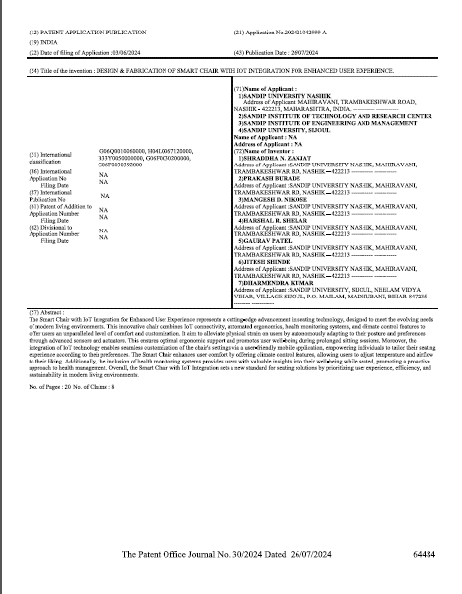
44 | 202421043924 A | Published | 1.Sandip University Nashik, 2.SITRC Nashik,3.SIEM Nashik, 4.Sandip University, Sijoul | Automated Adaptive Control System for Enhanced Efficiency in Industrial Processes | Mr. Harshal Chaughule,Mr. Gaurav Rajabhau Patel,Ms. Shraddha Zanjat,Dr. Mangesh D. Nikose,Prof. Dr. Prakash Burade,Prof. Dr. Jitesh Shinde,Manjeet Kumar(SUM),Miss.Deepali Ramdas Vaidya(SITRC*) | 30.06.2024 | 26.07.2024 | 202421043924 A | 1.Sandip University Nashik, 2.SITRC Nashik,3.SIEM Nashik, 4.Sandip University, Sijoul | 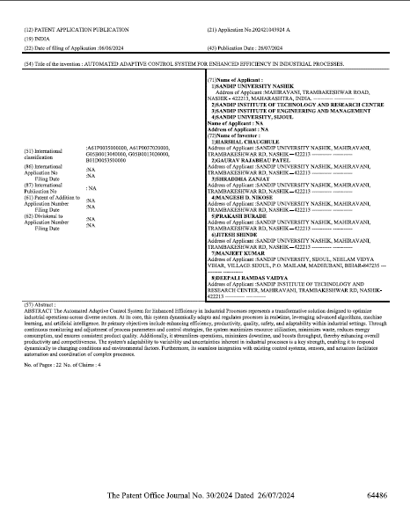
45 | 202421043937 A | Published | 1.Sandip University Nashik, 2.SITRC Nashik,3.SIEM Nashik, 4.Sandip University, Sijoul | Hybrid Pen | Prof. Akshay Ganpat Tajane,Dr. Vishal Narayanrao Sulakhe,Mr. Prajapati Saurabh Rajesh,Mr. Suhas Dilip Bhamare,Mr. Shubham Gopinath Chaudhary,Prof.Pramod Karole(SITRC*),Dr Rajesh Kumar(SUM) | 30.06.2024 | 26.07.2024 | 202421043937 A | 1.Sandip University Nashik, 2.SITRC Nashik,3.SIEM Nashik, 4.Sandip University, Sijoul
46 | 202421043010 A | Published | 1.Sandip University Nashik, 2.SITRC Nashik,3.SIEM Nashik, 4.Sandip University, Sijoul | Statistical Analysis in Detection and Preventive Mechanisms for Alzheimer's Disease Using Wearable Technology | Dr.G.Prasanna Lakshmi,Dr. Amol Potgawantar,Dr. Pawan R Bhaldhare,Aishwarya Shekhar(SUM),Ms. SHAIKH UZMA ANIS(SITRC*) | 30.06.2024 | 26.07.2024 | 202421043010 A | 1.Sandip University Nashik, 2.SITRC Nashik,3.SIEM Nashik, 4.Sandip University, Sijoul | 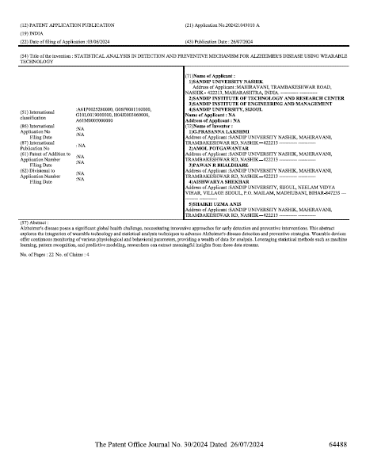
47 | 202421043023 A | Published | 1.Sandip University Nashik, 2.SITRC Nashik,3.SIEM Nashik, 4.Sandip University, Sijoul | Temperature-Regulated laptop Cooling Pad with W1209 Thermostat | Mr. Shubham Gopinath Chaudhary,Mr. Suhas Dilip Bhamare,Mr. Prajapati Saurabh Rajesh,Mr. Akshay Ganpat Tajane,Dr. Vishal Narayanrao Sulakhe,Prof.Pramod Karole(SITRC*),Dr Kunal Kishor Chandan(SUM) | 30.06.2024 | 26.07.2024 | 202421043023 A | 1.Sandip University Nashik, 2.SITRC Nashik,3.SIEM Nashik, 4.Sandip University, Sijoul | 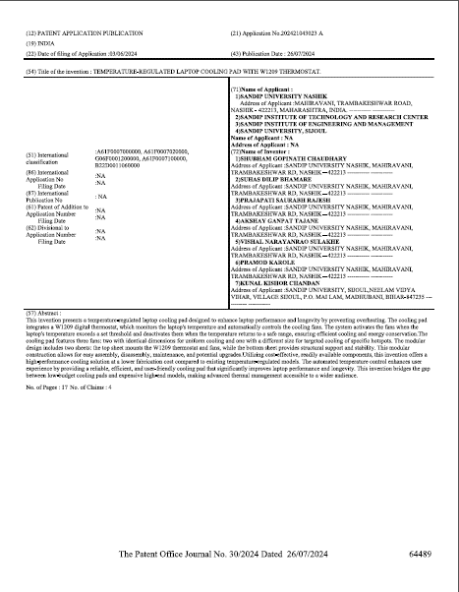
48 | 202421043026 A | Published | 1.Sandip University Nashik, 2.SITRC Nashik,3.SIEM Nashik, 4.Sandip University, Sijoul | Smart Agriculture Sensor System for Monitoring and Optimizing Crop Growth | Dr. JITESH RAMDAS SHINDE,Dr. MANGESH D. NIKOSE,Dr. Prakash Burade,Mr. Harshal Chaughule,Mr. Harshal Shelar,Ms. Shradhha Zanjat,Mr. Gaurav Patel, Manjeet Kumar(SUM), | 30.06.2024 | 26.07.2024 | 202421043026 A | 1.Sandip University Nashik, 2.SITRC Nashik,3.SIEM Nashik, 4.Sandip University, Sijoul | 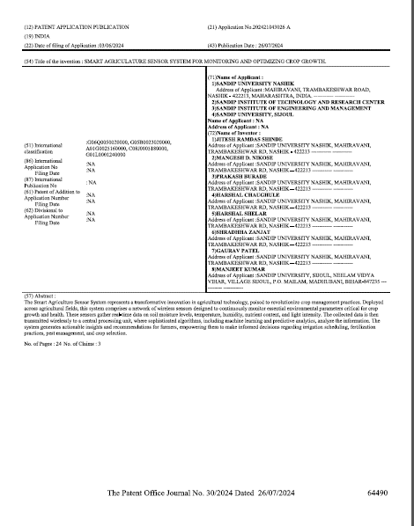
49 | 202421043945 A | Published | 1.Sandip University Nashik, 2.SITRC Nashik,3.SIEM Nashik, 4.Sandip University, Sijoul | System and Method for Agricultural Crop Monitoring and Management Using Drone Technology | Mr.Gaurav Rajabhau Patel,Mr. Harshal Chaughule,Ms. Shraddha Zanjat,Dr. Mangesh D. Nikose,Mr. Harshal R. Shelar,Prof. Dr. Prakash Burade,Prof. Dr. Jitesh Shinde,Pooja Jha(SUM),Miss.Deepali Ramdas Vaidya(SITRC*) | 30.06.2024 | 26.07.2024 | 202421043945 A | 1.Sandip University Nashik, 2.SITRC Nashik,3.SIEM Nashik, 4.Sandip University, Sijoul | 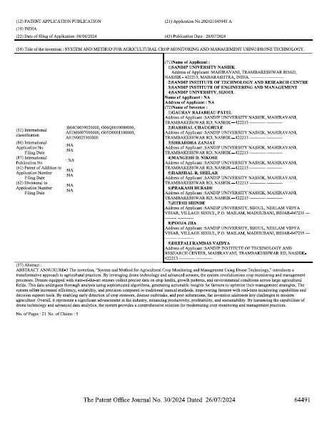
50 | 202421043961 A | Published | 1.Sandip University Nashik, 2.SITRC Nashik,3.SIEM Nashik, 4.Sandip University, Sijoul | Cost effective design of grounding system for wind power plant | Dr. Kaushal Pratap Sengar,Dr. Prakash G Burade, Dr.Mangesh Dindayal Nikose,Dr.Yogesh Pahariya,Dr Sanjeev Kumar Bhagat(SUM),Miss.Rashmi Vijay Lokhande(SITRC*), | 30.06.2024 | 26.07.2024 | 202421043961 A | 1.Sandip University Nashik, 2.SITRC Nashik,3.SIEM Nashik, 4.Sandip University, Sijoul | 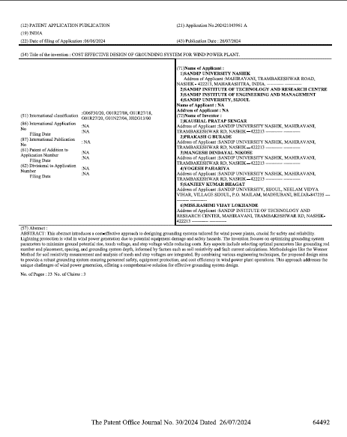
51 | 202421044320 A | Published | 1..SITRC Nashik,2.Sandip University Nashik, 3.SIEM Nashik, 4.Sandip University, Sijoul | Design of humanoid body | Dr. Raju Kumar Thakur ,Prof. Vasim Akbar Shaikh ,Prof. Pratap Shivaji Garudkar,Dr. Ravi Shankar Rai,Prof. Abhishek Pratap Singh, | 30.06.2024 | 26.07.2024 | 202421044320 A | 1..SITRC Nashik,2.Sandip University Nashik, 3.SIEM Nashik, 4.Sandip University, Sijoul | 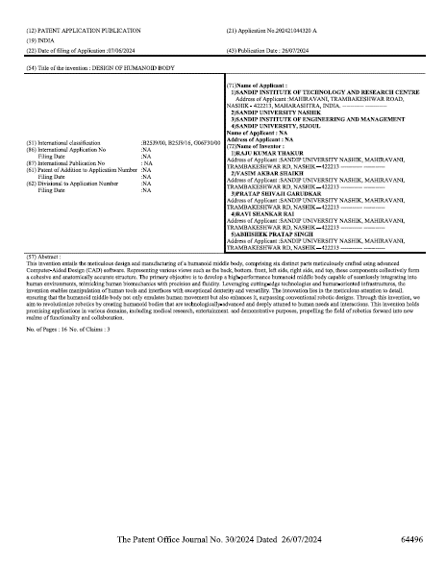
52 | 202421044335 A | Published | 1..SITRC Nashik,2.Sandip University Nashik, 3.SIEM Nashik, 4.Sandip University, Sijoul | Design and Manufacturing of a prototype of 6DOF Manipulator Model | Prof. Abhishek Pratap Singh,Prof. Vasim Akbar Shaikh ,Prof. Pratap Shivaji Garudkar,Dr. Ravi Shankar Rai,Dr. Raju Kumar Thakur, | 30.06.2024 | 26.07.2024 | 202421044335 A | 1..SITRC Nashik,2.Sandip University Nashik, 3.SIEM Nashik, 4.Sandip University, Sijoul | 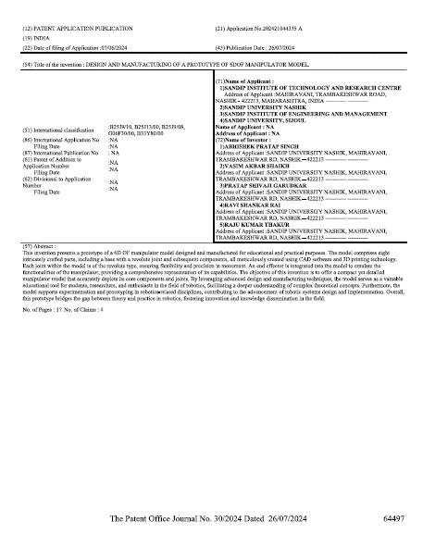
53 | 202421044342 A | Published | 1..SITRC Nashik,2.Sandip University Nashik, 3.SIEM Nashik, 4.Sandip University, Sijoul | Design and Implementation of Biometric based smart antitheft bike protection System. | Prof. Girish Ashokrao Dashmukhe,Prof.(Dr) Amit R.Gadekar,Prof. Vishwajit K.Barbudhe,Prof. Akhileshkumar Sharma,Prof. Harshal Patil | 30.06.2024 | 26.07.2024 | 202421044342 A | 1..SITRC Nashik,2.Sandip University Nashik, 3.SIEM Nashik, 4.Sandip University, Sijoul | 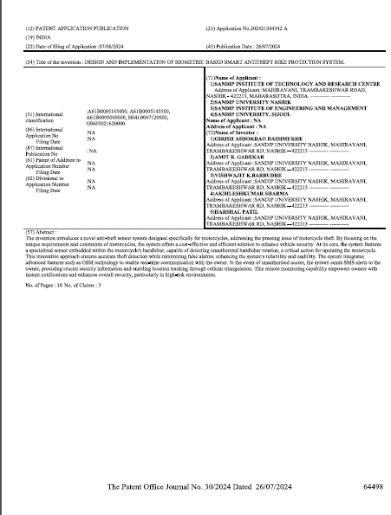
54 | 202421044346 A | Published | 1..SITRC Nashik,2.Sandip University Nashik, 3.SIEM Nashik, 4.Sandip University, Sijoul | Design of Support Ticketing System for Educational Institutions. | Prof. Akhilesh Kumar Sharma,Prof.(Dr). Amit R. Gadekar,Prof. Vishwajit K Barbudhe ,Prof. Girish A. Dashmukhe,Prof. Harshal K Patil,Prof. Dr. Ankita Karale,Prof. Abhay Gaidhani | 30.06.2024 | 26.07.2024 | 202421044346 A | 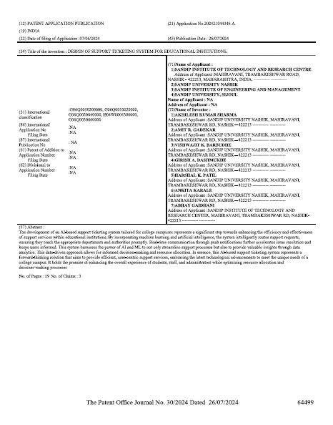 1..SITRC Nashik,2.Sandip University Nashik, 3.SIEM Nashik, 4.Sandip University, Sijoul
55 | 202421043245 A | Published | 1.Sandip University Nashik, 2.SITRC Nashik,3.SIEM Nashik, 4.Sandip University, Sijoul | Designing of Smart Shoes for blind person | Dr.Mangesh Dindayal Nikose,Dr. Prakash G Burade,Dr. Kaushal Pratap Sengar, Dr Rajesh Kumar Mahto(SUM),Mrs.Neha Vishal Sulakhe(SITRC*),Ms. HELONDE NAMARTA JAGDISH(SIEM*) | 30.06.2024 | 26.07.2024 | 202421043245 A | 1.Sandip University Nashik, 2.SITRC Nashik,3.SIEM Nashik, 4.Sandip University, Sijoul | 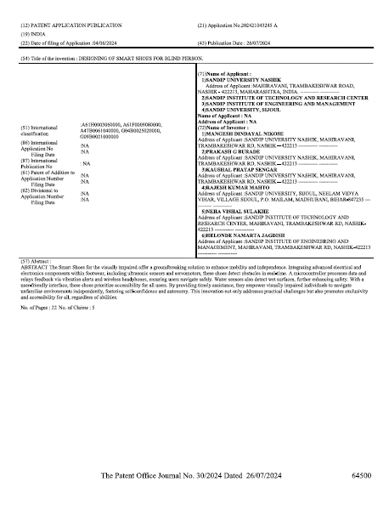
56 | 202421043035 A | Published | 1.Sandip University Nashik, 2.SITRC Nashik,3.SIEM Nashik, 4.Sandip University, Sijoul | From Leftovers to Lightning: Transforming Food Scraps into Electrical Energy | Prof. (Dr).Anand Singh Rajawat,Prof.(Dr).Pawan Bhaladhare,Prof.(Dr). Mohammad Muqeem,Prof.(Dr). Sudhir Meesala,Dr. Rais Abdul Hamid,Narendra Joshi,Dr.Amrendra Kumar(SUM),Mrs. BADGUJAR GAYATRI VASANT(SITRC*),Miss.Akshada Atul Bakliwal(SIEM) | 30.06.2024 | 26.07.2024 | 202421043035 A | 1.Sandip University Nashik, 2.SITRC Nashik,3.SIEM Nashik, 4.Sandip University, Sijoul | 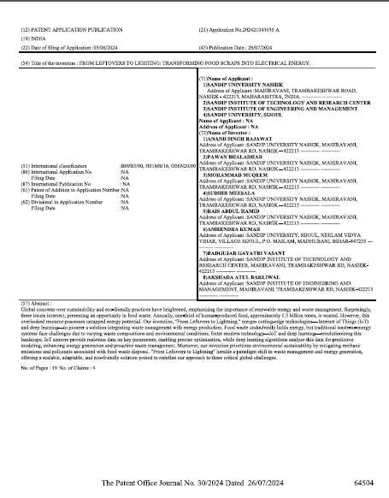
57 | 202421048943 A | Published | 1..SITRC Nashik,2.Sandip University Nashik, 3.SIEM Nashik, 4.Sandip University, Sijoul | Advanced Housing Rental Management System | Dr. Nitin S. Patil,Dr. Om Prakash Yadav,Prof. Sharmila M.,Prof.R,B.Sadaphale,Dr.B.Suresh Babu,Prof.G.G.Akotkar,Prof Tanmay J.Bharambe,Prof.Sagar Deo | 30.06.2024 | 26.07.2024 | 202421048943 A | 1..SITRC Nashik,2.Sandip University Nashik, 3.SIEM Nashik, 4.Sandip University, Sijoul | 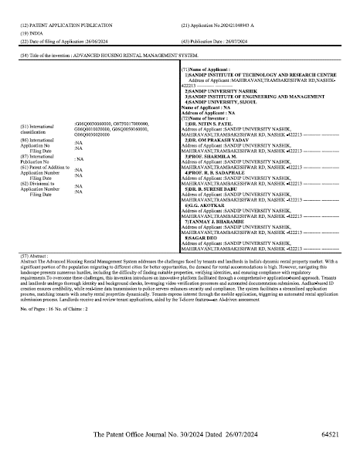
58 | 202421048279 A | Published | 1..SITRC Nashik,2.Sandip University Nashik, 3.SIEM Nashik, 4.Sandip University, Sijoul | Rural Area Agriculture Irrigation Purpose for Solar Panel with Submersible BLDC Motor | Dr.Nitin S.Patil,Dr.B.Suresh Babu,Prof.R,B.Sadaphale,Prof. Sharmila M.,Dr.Om Prakash Yadav.,Prof Tanmay J.Bharambe,Prof.Sagar Deo,Prof.G.G.Akotkar | 30.06.2024 | 26.07.2024 | 202421048279 A | 1..SITRC Nashik,2.Sandip University Nashik, 3.SIEM Nashik, 4.Sandip University, Sijoul
59 | 202421048294 A | Published | 1.Sandip University Nashik, 2.SITRC Nashik,3.SIEM Nashik, 4.Sandip University, Sijoul | Fabrication of Antimicrobial Silver Nanoparticles Derived from Moringa Oleifera on Textiles | Thakur Kiran,Shaikh Aftab,Wagh Sandip,Reshi Nissar | 30.06.2024 | 26.07.2024 | 202421048294 A | 1.Sandip University Nashik, 2.SITRC Nashik,3.SIEM Nashik, 4.Sandip University, Sijoul
60 | 202421048953 A | Published | 1..SITRC Nashik,2.Sandip University Nashik, 3.SIEM Nashik, 4.Sandip University, Sijoul | GSM based Motion Detector for Theft Preventation | Dr.B.Suresh Babu,Dr.Nitin S.Patil,Dr.Om Prakash Yadav.,Prof.R,B.Sadaphale,Prof. Sharmila M.,Prof.G.G.Akotkar,Prof Tanmay J.Bharambe,Prof.Sagar Deo | 30.06.2024 | 26.07.2024 | 202421048953 A | 1..SITRC Nashik,2.Sandip University Nashik, 3.SIEM Nashik, 4.Sandip University, Sijoul
61 | 202421048307 A | Published | 1.Sandip University Nashik, 2.SITRC Nashik,3.SIEM Nashik, 4.Sandip University, Sijoul | A Probiotic Infusion of Lemon and Ginger for Holistic Well-being | Reshi Nissar,Thakur Kiran ,Wagh Sandip,Sonawane chandrakala | 30.06.2024 | 26.07.2024 | 202421048307 A | 1.Sandip University Nashik, 2.SITRC Nashik,3.SIEM Nashik, 4.Sandip University, Sijoul
62 | 202421048325 A | Published | 1.Sandip University Nashik, 2.SITRC Nashik,3.SIEM Nashik, 4.Sandip University, Sijoul | Design of an Iterative Method for Electric Vehicle Powertrain Optimization Incorporating LSTM, PPO, Genetic Algorithms, and CNN. | Prof. (Dr.) Renu Praveen Pathak,Mr. Madhukar Ganpat Andhale, | 30.06.2024 | 26.07.2024 | 202421048325 A | 1.Sandip University Nashik, 2.SITRC Nashik,3.SIEM Nashik, 4.Sandip University, Sijoul
63 | 202421048343 A | Published | 1.Sandip University Nashik, 2.SITRC Nashik,3.SIEM Nashik, 4.Sandip University, Sijoul | Development of polyurethane-chitosan-humic acid cross-linked hydrogel for immobilization of bacterial cells | Thakur Kiran,Wagh Sandip,Reshi Nissar,Magar Pratiksha, | 30.06.2024 | 26.07.2024 | 202421048343 A | 1.Sandip University Nashik, 2.SITRC Nashik,3.SIEM Nashik, 4.Sandip University, Sijoul
64 | 202421048957 A | Published | 1..SITRC Nashik,2.Sandip University Nashik, 3.SIEM Nashik, 4.Sandip University, Sijoul | Lever Powered Step Climbing Chair | Prof. P. S. Shirsath,Dr. Sachin G. Ghalme,Dr. Nandkishor M. Sawai,Dr. Yogesh Agrawal,Prof. Ravi Kant Singh,Prof. Santosh D. Katkade,Prof.Pramod Kalrole(SITRC*),Dr Rajesh Kumar(SUM) | 30.06.2024 | 26.07.2024 | 202421048957 A | 1..SITRC Nashik,2.Sandip University Nashik, 3.SIEM Nashik, 4.Sandip University, Sijoul
65 | 202421048978 A | Published | 1..SITRC Nashik,2.Sandip University Nashik, 3.SIEM Nashik, 4.Sandip University, Sijoul | ROBOT VEHICLE FOR FARMING PLANTATION | Priyanka Nikhil Bhatambareka,Dr.Gayatri Makarand Phade,Dr. Minal B Gade,Vedant Vijay Mukane,Ashwini Ganpat Aher,Darshan Chandrakant Kotkar,Vishal Avdhesh Singh | 30.06.2024 | 26.07.2024 | 202421048978 A | 1..SITRC Nashik,2.Sandip University Nashik, 3.SIEM Nashik, 4.Sandip University, Sijoul
66 | 202421048990 A | Published | 1..SITRC Nashik,2.Sandip University Nashik, 3.SIEM Nashik, 4.Sandip University, Sijoul | IoT in Hydroponics | Prof. Ms. Swati Suresh Pawar,Prof. Vivek Dhruv Ugale,Aniket Sanjay Kumavat,Asit Sanjeev Bhate,Krushna Mohan Dhale | 30.06.2024 | 26.07.2024 | 202421048990 A | 1..SITRC Nashik,2.Sandip University Nashik, 3.SIEM Nashik, 4.Sandip University, Sijoul
67 | 202421048346 A | Published | 1.Sandip University Nashik, 2.SITRC Nashik,3.SIEM Nashik, 4.Sandip University, Sijoul | Novel Approach to Combat Mycosis: Fabricated Bio-Synthesized Magnesium Oxide Nanoparticles from Azadirachta indica for Targeted Prevention of Penicillium digitatum Fungal Infections in Citrus Fruit | Thakur Kiran,Jagtap Vaishnavi,Wagh Sandip,Reshi Nissar, | 30.06.2024 | 26.07.2024 | 202421048346 A | 1.Sandip University Nashik, 2.SITRC Nashik,3.SIEM Nashik, 4.Sandip University, Sijoul
68 | 202421048993 A | Published | 1..SITRC Nashik,2.Sandip University Nashik, 3.SIEM Nashik, 4.Sandip University, Sijoul | Smart Automated Railway Platform. | Dr Gayatri Phade,Dr Minal Gade,Avantika Baswantrao Deshmukh,Komal Vinayak Mahajan,Devyani Pramod Sarode,Dr Sachin Ghalme | 30.06.2024 | 26.07.2024 | 202421048993 A | 1..SITRC Nashik,2.Sandip University Nashik, 3.SIEM Nashik, 4.Sandip University, Sijoul
69 | 202421048997 A | Published | 1..SITRC Nashik,2.Sandip University Nashik, 3.SIEM Nashik, 4.Sandip University, Sijoul | Smart Security System for Vehicles Using IOT Application | Dr. Minal Vilas Gad,Dr. Gayatri Makarand Phade,Prof Ankur Saxena,Prof Priyanka Bhatambrekar,Prof Aboli Moharil | 30.06.2024 | 26.07.2024 | 202421048997 A | 1..SITRC Nashik,2.Sandip University Nashik, 3.SIEM Nashik, 4.Sandip University, Sijoul
70 | 202421048934 A | Published | 1..SITRC Nashik,2.Sandip University Nashik, 3.SIEM Nashik, 4.Sandip University, Sijoul | A Portable Low-Cost DC Powered Big Valve Mask Ventilator | Dr. Om Prakash Yadav,Dr. Nitin S. Patil,Dr.B.Suresh Babu,Prof.R,B.Sadaphale,Prof. Sharmila M.,Prof.G.G.Akotkar,Prof Tanmay J.Bharambe,Prof.Sagar Deo | 30.06.2024 | 26.07.2024 | 202421048934 A | 1..SITRC Nashik,2.Sandip University Nashik, 3.SIEM Nashik, 4.Sandip University, Sijoul
71 | 202421048937 A | Published | 1..SITRC Nashik,2.Sandip University Nashik, 3.SIEM Nashik, 4.Sandip University, Sijoul | Design and Development of Non-Conventional River Cleaning Machine | Prof. Yogeshkumar R. Falak,Prof. P. A. Karole,Dr. M. M. Patil,Prof. Ravi Kant Singh,Prof. P. S. Shirsath,Prof. Prthivi Garikapti Raju,,Prof.Pramod Kalrole(SITRC*),Kunal Kishor Chandan(SUM) | 30.06.2024 | 26.07.2024 | 202421048937 A | 1..SITRC Nashik,2.Sandip University Nashik, 3.SIEM Nashik, 4.Sandip University, Sijoul
72 | 202421043031A | Published | 1.Sandip University Nashik, 2.SITRC Nashik,3.SIEM Nashik, 4.Sandip University, Sijoul | Exploring 3D Environmental Latency Impacts on Financial Option Pricing through Quantum-Enhanced Deep Learning Neural Networks | Anirudh Kolpyakwar Prof.(Dr).Pawan Bhaladhare,Prof. (Dr).Anand Singh Rajawat,Prof.(Dr.) Amol Potgantwar(SITRC),Prof.(Dr.) Omkar Pattnaik,Dr Rahul Kumar(SUM), | 30.06.2024 | 19.07.2024 | 202421043031A | 1.Sandip University Nashik, 2.SITRC Nashik,3.SIEM Nashik, 4.Sandip University, Sijoul
73 | 202341078525 | Published | Dr.B.Suresh Babu | Multiobjective Optimization of Electric Vehicle Charging Scheduling | Dr.B.Suresh Babu | 19/11/2023 | 05.01.2024 | 202341078525 | Sandip Foundation's Sandip Institute of Technology and Research Centre
74 | Design Number 407413-001 | Published | Dr. Nandkishor M. Sawai, Ravi Kant Singh | Pyrolysis by parabolic dish collector | Dr. Nandkishor M. Sawai, Ravi Kant Singh | 13/02/2024 | 13/09/2024 | 407413-001 | Sandip Foundation's Sandip Institute of Technology and Research Centre
75 | Design Number 415813-001 | Published | 1. Dr. Rakesh Dubey 2. Dr. Shruti Bharadwaj 3. Dr. Vinamra Bhushan Sharma 4. Arunabha Mahato 5. Avishek Mukherjee 6. Ajeet Kumar Prajapati 7. Naveen Kumar 8. Dr. Nandkishor M. Sawai 9. Ravi Kant Singh | Single Handle two wheel portable weeder solar paneled machine | 1. Dr. Rakesh Dubey 2. Dr. Shruti Bharadwaj 3. Dr. Vinamra Bhushan Sharma 4. Arunabha Mahato 5. Avishek Mukherjee 6. Ajeet Kumar Prajapati 7. Naveen Kumar 8. Dr. Nandkishor M. Sawai 9. Ravi Kant Singh | 03/05/2024 | 2024-12-07 | 415813-001 | Sandip Foundation's Sandip Institute of Technology and Research Centre

